Sheet1
Arduino
Battery (11 volt)
Propellers
5 volt step down
Camera
Transceiver
Gyroscope
Item w/Link | Price | Store | Weight (grams) | Task List | Anticipated completion dates
Motor + ESC | CA$77.16 | Amazon | 288 | Learn how to code ESC's, Tramsmitter and Gyro | Finished Product | 2021-01-28 (last Day Of Semester 1)
Transceiver | CA$12.99 | Amazon | 5 | Base design as proof of concept | Test, modiy and repeat | Start december 18
Gyroscope | CA$12.00 | Amazon | 5 | Buy motors, ESC's propellors, gyro and transeiver | Controller Finished | < december 17
Battery to charger connector | CA$9.99 | Amazon | 0 | Design & 3d print frame | Controller Coded | < december 17
Battery | CA$29.00 | Amazon | 191 | Code drone | Controller Assembly | < december 18
Propellers | CA$16.49 | Amazon | 16.8 | Rough assembly of drone | Final assembly of Drone | 2021-12-03
Arduino nano | CA$19.99 | Amazon | 7 | Order battery & Arduino nano | Final Drone Printed | 2021-11-28
PCB order | CA$7.58 | JLCPCB | 3 | Design & order PCB
Small components | CA$12.00 | Digikey | 5 | Order small components (Connectors, capacitors, etc.)
Frame | CA$0.00 | 3d print | 150 | Redesigne Drone Design and 3d print
Drone Total | CA$197.20 |  | 670.8 | Final assembly W/O camera
 |  |  |  | Design & build controller
 |  |  |  | Test & update code
FPV Goggles | CA$43.26 | BG | 0 | Order camera components
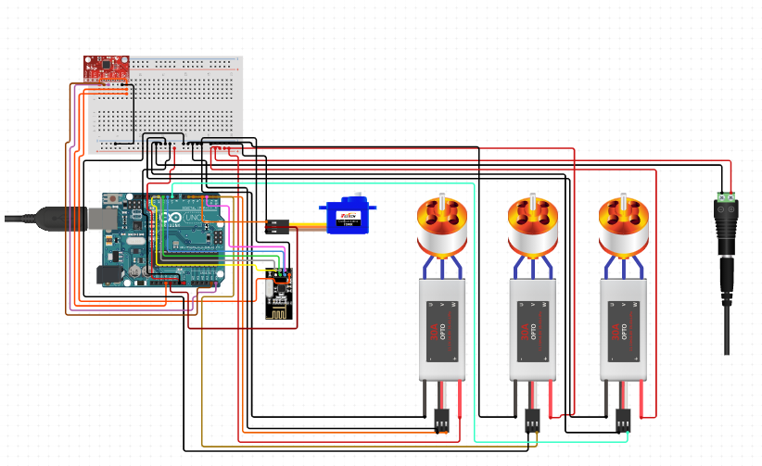
FPV Transmitter | CA$19.44 | BG | 3 | code and test camera components
Mini FPV Camera | CA$42.99 | Amazon | 16 | Re-print drone to accomidate camera
FPV Total | CA$105.69 |  | 19 | Fly Drone

Full Total | CA$302.89 |  | 689.8

